1. Overview & Intro to DevOps
Overview & Intro to DevOps
S.No | Topic Heading | Description | Comments / Diagram
1 | Devops | DevOps is a set of practices that combines software development and IT operations. It aims to shorten the systems development life cycle and provide continuous delivery with high software quality/ Devops organization can release small features and incorporate the feedback which they recieve a very quickly / Benefits of devops: It has fewer software failure compared to the previous taditional software developement methods such as waterfall and the agile / The lead time between the fixes of issues is significantly reduced in devops / Automated CICD Pipeline / Its end to end development life cycle | Devops covers most of the area so we can work on any area, As a devops engineer we won't say this is not part of my job / So here both adv and disadv is there
1 | Devops | First tool that is used in the devops is for source code management or we can say version control systems and these tools are Git and Github / One more tool called JENKINS here which is a automation server and which built-in plugins for developing the CI CD pipelines / Selenium for automation testing / Docker which is nothing but a software containerization platform / Kubernetes tool which is basically the container orchestration platform / ANSIBLE, PUPPET & CHEF which are basically used for configuration management and deployment / Nagios tool which is used to purpose of continuous monitoring | Tools: GIT & GITHUB /JENKINS / SELENIUM / DOCKER / KUBERNETES / ANSIBLE, PUPPET & CHEF / Nagas
1 | Devops | 1. Build Tool: Maven, Apache Ant / 2. Configuration Managemnet Tools: Puppet, ANSIBLE 3. Continuous Integration Server: Jenkins, Team City (TC), Travis CI 4. Containerization Solutions: Octobus Deploy, Kubernetes 5. Monitoring Tools: Nagios
WHICH TOOLS WHERE WE ARE USING
1 | Continuous Development Tool | Continuous Development Tool or Control Management Tool Or Source Code Management Tools: : Git, Mercurial and Apache Subversion (It will track modification of your source repository, It will track the history of your code) | GIT Tool
1 | Continuous Integration Tool | Mutilple peoples are work so need to integrate all their code and merge into one single project / Building an automation to integrate all your code changes from multiple contributors into a single software project / Tools Jenkins, Team City TC, Travis CI | JENKINS TOOL
1 | Continuous Testing | So we have integrated code and ready to deploy / Before that we need to some kind of testing / Testing is executing some set of automated tests to figure out whether it is working according to the expectations / Before gets deployed putting some kind of levers to ensure in the software delivery pipeline is that working as expected before it becomes alive / Multiple way to test 1. selenium 2.TestNG 3.JUnit | Testing Tool: Selenium (User interace testing / Test any browser / Useful for testing browser based web based programming, Web development project) / TestNG & Junit for unit testing
1 | Continuous Deployment | Once validate & ready to push your code to live / For automating deployment tools are CHEF, DOCKER, ANSIBLE, PUPPET, VAGRANT / For all these tools we have a library written in python | Docker is mostly in container world / ANSIBLE is readable automation scripts tool, we can write python code and ansible also or directly from library (Library will help you to save the time)
1 | Continuous Monitoring | Once we deployed need to monitor / This is like a maintenance phase / Monitor how things are working, Is it working as expected or not / We can set some alarms and trigger it / Monitoring Tool: Nagios, Splunk, ELK Stack /
1 | Library | Git api is the library we can pick it and do anything on the Github / Boto 3 and GCP these are the cloud computing libraries Ex: If you want to work on aws services using python so we have SDK(Software Development Kits) called Boto 3 / | Github
1 | Database Management | If you want to connect database and do something, you have different libraries like mysql, mongo DB, PostgreSQL

GIT & GITHUB
17 | Git Vs Github | Git is one of the best version control available now. It is so flexible. You can create your own workflow strategies using git. / Git is the tool / Git is a version control system / A tool to manage our source code history / Installed & Maintained in your local system
 |  | GitHub is the service for project that use Git / Github is a hosting service for Git repositories / Exclusively cloud-based
17 | GitHub | Developers need a web/cloud-based code hosting platform / Useful for version control / Enables effective collaboration / Download projects and file in one go / Easy evaluation of each other's work | Multiple peoples simultaneously work on single project / To share the projects and collaborate to other developers / Easily
17 | GitHub | Platform for open source projects
2 | Development Team Vs Operations team Vs Devops | Development Team: Developing of application, testing of application
 |  | Operations Team: deployment of applications, maintained on a server
 |  | Devops: Devops is link between two
Concept of software development
3 | Development Team | Software developer will use different kind of languages with any technologies to build software / need code repository have to work on the code / most famous code repository is GIT | GIT
4 | Operations Team | Applications needs to be deploy into the servers, Then only user can access / so we need some kind of IT infrastructure for servers either on-premise server or cloud server / These servers should be created and configure to run our application.
5 | Devops Team | In Development side: Devops engineer will not programming the application but need to understand the concepts of / How developers work / Which GIT Workflow they are using / How application is configured / Concepts of automatic testing | Automatic Testing
 |  | In Operations side: Responsible for prepare the infrastructure to run the application / Devops engineer don’t want be specialized in advanced super operating system, networking and security skills. For administrate the server from start to finish there are own professions like network, system engineers and security engineers. / So Devops engineers is to understand the concepts and know all this to the extent that you’re able to prepare the server to run your application, But no need to take completely take over managing the servers and whole infrastructure. | Run the application
6 | Devops Pipeline | Devops Pipeline is: Plan-->Code-->Build-->Test-->Release-->Deploy-->Operate-->Monitor
Container
7 | Containers | Containers is the new standard, Need to running your application as containers on a server / So we need to generally understand / • Concept of virtualization • Concepts of containers (Containerized applications on a server (Most popular container technologies is Docker container/ So it’s must to learn) | Container
 |  | In 2017 20% of companies have containers deployed and 2020 50% of companies have containers deployed.
Devops Engineers Work / The Flow Chart Diagram Process From Development to Operations
8 | CI/CD & Automated | Devops engineer work is below: 1. Continuously (CI/CD) (Continuous Integration / Continuous Deployment or Continuous Delivery) / 2. Automated | CI/CD / Automated
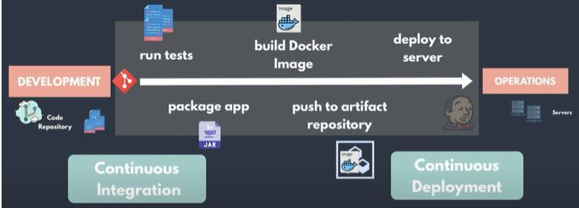
 |  | DEV: After software development again developers is creating new features and bug fixes on one side. OPS: Another side we have Servers which are managed and configured to run this application. How to get these new features and bug fixes from development team to the servers to make it available to the end users. How to release the updated application (new version)? DEVOPS: The main task and responsibilities of Devops comes in. With Devops not just how we do this in any possible way but how we do this continuously and in an efficient fast and automated way.
 |  | When the features are bugs fixed is done. We need to run the tests and package the application as an artifact like jar file or zip file, etc.. so we can deploy it that’s where build tools and package manager tools come in some of the examples are maven and gradle for java applications, Npm for javascript applications and so on.
8 | CI/CD & Automated | So we need to understand how this process of packaging testing applications works. Need to building docker images from our application, Next this image must be saved in an image repository so docker artifact repository on nexus or docker hubs, etc. So we need to understand how to create and manage artifact repositories as well.
8 | CI/CD & Automated | We don’t want to do any of this manually instead we want one pipeline that does all of these in sequential steps to you need build automation and one of the most popular build automation tools is Jenkins. We need to connect this pipeline with git repository to get the code so this is part of continuous intergration process where code changes from the code repository get continuously tested and we need to deploy that new new features or bug fix to the server after its tested built and packaged which is part of continuous deployment process. Where code changes get deployed continuously on a deployment server. Additional steps in this pipeline sending notification to team about the pipeline state or handling failed deployment etc. This flow represents the core of the CICD pipeline. 1. Build Tools & Package Manager Tools 2. Artifact Repository 3. Build Automation
9 | CI/CD Pipeline | The CICD pipeline happens to be at the heart of the Devops tasks and responsibilities, So Devops engineers need to configure the complete CICD pipeline for our application. Pipeline should be continuous that’s why the official logo of Devops is an infinite cycle bcos the application improvement is infinite. New features and bug fixes get added all the time that need to be deployed.
Cloud Providers
10 | Cloud Providers | Now a days many companies are using virtual infrastructure on the cloud instead of creating and managing their own physical infrastructure / These are the infrastructure as a service platforms like AWS, Google Cloud, Azure, Linux, Etc.. The main reason for that is to save costs of setting up your own infrastructure. These platforms also manage a lot of stuff for making it much easier to manage the infrastructure there. Example: using a UI (User interface) we can create a network, configure firewall, route tables and all parts of your infrastructure through services and features that these platforms provide. / Save Cost & Offer a range of services / Ex: If we use AWS we don’t want to learn all the services, we just want to learn those concepts and services that we need to deploy and run the specific application on the AWS infrastructure.
CONTAINER ORCHESTRATION
11 | Container Orchestration | Application will run as a container because we’re building docker images. Containers need to be managed for smaller applications docker compose or docker swarm is enough to manage them.
 |  | But if you have a lot more container like big microservices then we need a more powerful container orchestration tool to do the job / So most popular of which is kubernetes cluster, so we need to know how kubernetes works and be able to administer and manage the cluster as well as deploy applications. | Container Orchestration
MONITORING
12 | Monitoring | When you have thousands of containers running in kubernetes on hundreds of servers then how can we track performance of our individual applications or everything runs successfully or whether infrastructure has any problems. How do we know in real time users are experiencing any problems. Main responsibilities for Devops engineer to set up monitoring for the running application the underlying kubernetes cluster and the servers on which the cluster is running. So we need to know a monitoring tool like Prometheus or Nagios etc. | Kubernetes
INFRASTRUCTURE AS CODE
13 | Infrastructure As Code | Here production environment is there, to properly test our application before deploying it to the production we need the same deployment environment for multiple times (Testing and development environment). To creating and maintaining that infrastructure for one environment already takes a lot of time and is very error prone, so we don’t want to do it manually three times. | 
13 | Infrastructure As Code | We try to automate as much as possible. To automate this process creating the infrastructure as well as configuring it to run our application and then deploying our application on that configured infrastructure can be done using a combination of two types of infrastructure as code tools 1. Infrastructure provisioning tool (Terraform) 2. Configuring Management tool (ANSIBLE, CHEF, PUPPET) / 1. Its’ more efficient 2. Transparent 3. Easy to replicate & recover | 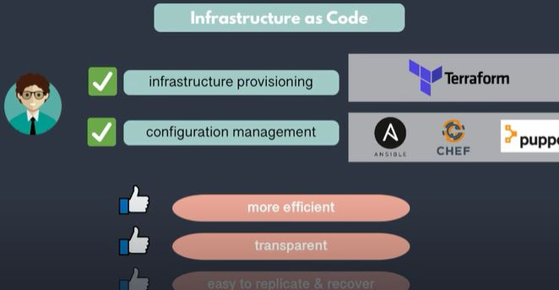
SCRIPTING LANGUAGE
14 | Scripting Language | Need to work with developers and system administrators to automate some of the tasks, we need to know write script skill. Ex: Small applications to automate tasks like doing backups, system monitoring tasks, cron jobs, network management, etc.. We need to know a scripting language this could be an operating system specific scripting language like bash or powershell or python
14 | Scripting Language | Python, RUBY, GOLINE is more powerful and flexible language, which are also operating system independent. Python is popular and demanded one in Devops space, so we need to learn python. PYTHON is easy to learn, easy to read and very flexible, Python has libraries for most of the databases operating system tasks as well as for different cloud platforms.
15 | VERSION CONTROL | To manger our code just like the application code you manage this also using version control like git. So we need to learn git
SDLC (Software Development Life Cycle)
16 | SDLC (Software Development Life Cycle) | 1. Planning 2. Requirement Analysis (SRS: Software Requirement Specification) 3. Design 4. Development 5. Testing 6. Implementation & Maintenance
5 Different Git Workflows (https://medium.com/javarevisited/5-different-git-workflows-50f75d8783a7) The main well-known workflows for git are.
18 | 1. Basic Workflow | This is the basic workflow. There is one central repository / each developer will clone the repo, work locally on the code / and then finally put it in the central repository for other developers to take and put in their own individual work. / While the basic workflow is a fantastic method for creating and developing a simple website / If two developers need to work on two separate functionalities inside one project, then the Basic workflow is no longer an ideal method for the team. / Here only one branch / For example For example, one of the developers has just finished their functionality and wants to release it. They cannot release it if the second feature from the second developer is incomplete. Because both of them are working on the same branch | https://medium.com/javarevisited/5-different-git-workflows-50f75d8783a7
18 | 2. Feature Branch Workflow | The Feature Branch Workflow assumes a central repository and master / Instead of committing directly on the master branch, developers can create a new branch every time they start work on a new feature / It's a hierarchal method / Before a branch is merged to master, it needs to be verified and checked for errors / The Seniors in turn can review the code and leave any necessary comments / Advantage: it is friendly for the Continuous Delivery and Continuous Integration / Disadvantage: It isn’t recommended when multiple versions in production are needed / It doesn’t resolve anything about deploy, environments, releases, and issues | 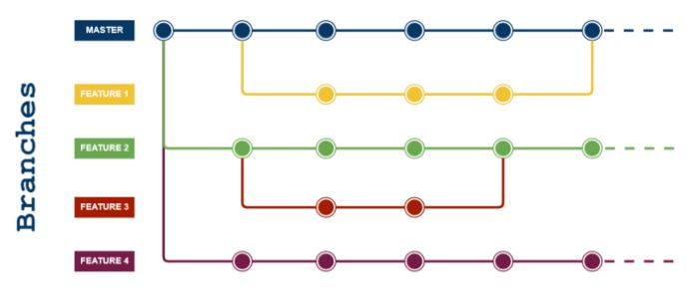
18 | 3. Git Flow | The Git Flow is the most known workflow on this list. It is almost similar to the feature branch workflow. But the difference is the developers are creating branches from the develop branch and it is a branch of master branch / Developers are not allowed to create branches directly from master branch / This flow eliminates buggy code from the master branch / Master branch contains production code. All development code is merged into master in sometime / Develop branch contains pre-production code. When the features are finished then they are merged into develop | 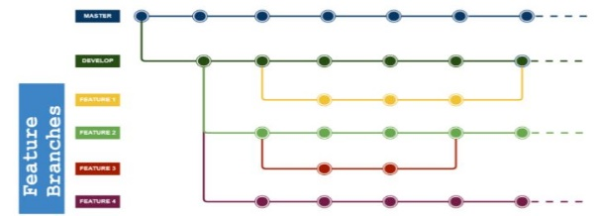
18 | 3. Git Flow | Adv: Git Flow is used by a lot of distributed, open-source teams that have varying skill levels. The project maintainers can review and approve every line of code going into releases / Git Flow also works well when dealing with an established product or multiple versions in production / Git Flow can work well for a traditional release model, where releases are done in terms of months and weeks / Disadv: Git Flow can slow things down when having to look at large pull requests if you are trying to iterate quickly / Releases are hard to do more than once a week / The Project history is full of merge commits and makes it hard to see the actual work.
18 | 4. Gitlab Flow | The most difference between GitLab Flow and Git Flow are the environment branches having in GitLab Flow (e.g. staging and production) because there will be a project that isn’t able to deploy to production every time you merge a feature branch / In the Git Flow, the high-level branch is master. But here the high-level branch become production. / Aside from promoting ready to deploy master branch and feature branches (same as Git Flow) it introduces three other kinds of branches: 1. Production branch 2. Environment branches: uat, pre-production, production / 3. Release branches: 1-5-stable, 1-6-stable | 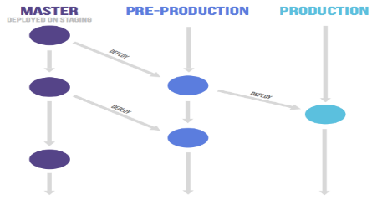
18 | 5. Forking Workflow | The Forking Workflow is fundamentally different from other popular Git workflows. Instead of using a single server-side repository to act as the “central” codebase, it gives every developer their own server-side repository / This means that each contributor has not one, but two Git repositories: a private local one and a public server-side one. The Forking Workflow is most often seen in public open-source projects / Adv: Forking Workflow is that contributions can be integrated without the need for everybody to push to a single central repository / Developers push to their own server-side repositories, and only the project maintainer can push to the official repository.
18 | 5. Forking Workflow | step-by-step example of Forking Workflow: 1. A developer ‘forks’ an ‘official’ server-side repository. This creates their own server-side copy. 2. The new server-side copy is cloned to their local system. 3. A Git remote path for the ‘official’ repository is added to the local clone. 4. A new local feature branch is created. 5. The developer makes changes on the new branch. 6. New commits are created for the changes. 7. The branch gets pushed to the developer’s own server-side copy. 8. The developer opens a pull request from the new branch to the ‘official’ repository. 9. The pull request gets approved for merge and is merged into the original server-side repository. | 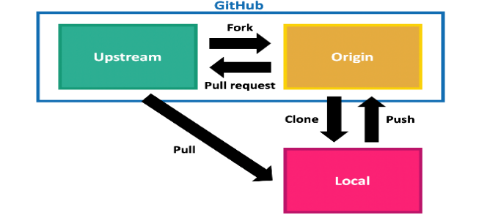
JENKINS (https://www.edureka.co/blog/what-is-jenkins/)
19 | Jenkins CI/CD | Popular Build automation tool is Jenkins / Jenkins is an open source continuous integration/continuous delivery and deployment (CI/CD) automation software / DevOps tool written in the Java programming language. It is used to implement CI/CD workflows, called pipelines / Jenkins is used to build and test your software projects continuously making it easier for developers to integrate changes to the project, and making it easier for users to obtain a fresh build / With Jenkins, organizations can accelerate the software development process through automation. / Jenkins integrates development life-cycle processes of all kinds, including build, document, test, package, stage, deploy, static analysis, and much more / Jenkins achieves Continuous Integration with the help of plugins | 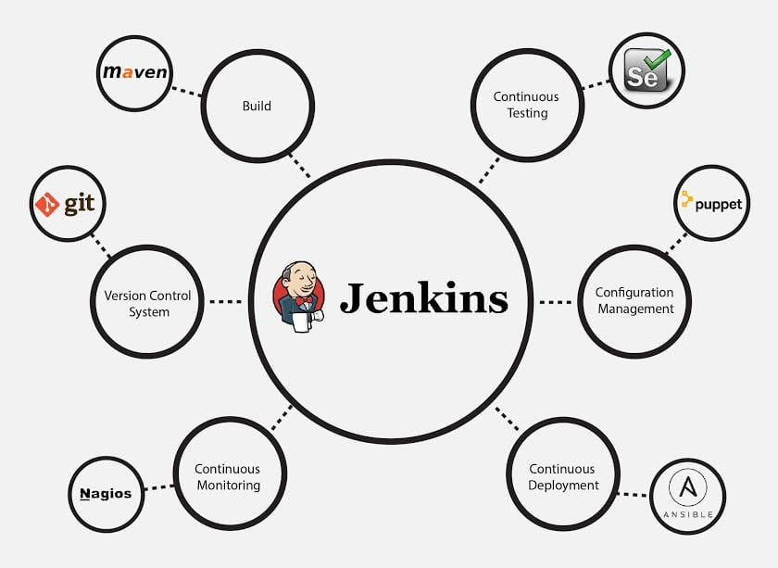
19 | Jenkins Adv | Adv: It is an open-source tool with great community support / It is easy to install / It has 1000+ plugins to ease your work. If a plugin does not exist, you can code it and share it with the community / It is free of cost. / It is built with Java and hence, it is portable to all the major platforms.
19 | Jenkins Features | Features: Better than other Continuous Integration tools / Adoption: Jenkins is widespread, with more than 147,000 active installations and over 1 million users around the world. / Plugins: Jenkins is interconnected with well over 1,000 plugins that allow it to integrate with most of the development, testing and deployment tools / It is evident from the above points that Jenkins has a very high demand globally. Before we dive into Jenkins it is important to know what is Continuous Integration and why it was introduced / Jenkins is the most mature CI tool available so let us see how Continuous Integration with Jenkins overcame the cusromer dissatisfication | 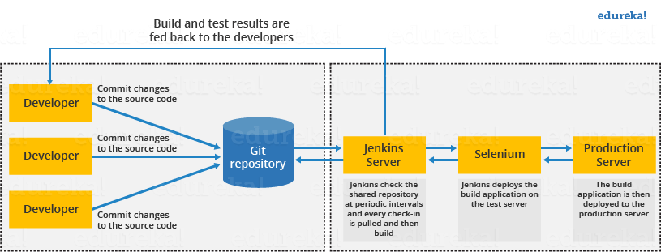
19 | Jenkins Work Model | First, a developer commits the code to the source code repository. Meanwhile, the Jenkins server checks the repository at regular intervals for changes. / Soon after a commit occurs, the Jenkins server detects the changes that have occurred in the source code repository. Jenkins will pull those changes and will start preparing a new build. / If the build fails, then the concerned team will be notified. / If built is successful, then Jenkins deploys the built in the test server. / After testing, Jenkins generates a feedback and then notifies the developers about the build and test results. / It will continue to check the source code repository for changes made in the source code and the whole process keeps on repeating.
19 | Jenkins Before & After | Before Jenkins: The entire source code was built and then tested. Locating and fixing bugs in the event of build and test failure was difficult and time-consuming, which in turn slows the software delivery process / Developers have to wait for test results / The whole process is manual // After Jenkins: Every commit made in the source code is built and tested. So, instead of checking the entire source code developers only need to focus on a particular commit. This leads to frequent new software releases. / Developers know the test result of every commit made in the source code on the run. / You only need to commit changes to the source code and Jenkins will automate the rest of the process for you.
Kubernetes
20 | Kubernetes | Kubernetes smoothens the container tasks. It eases activities like canary deployment, rolling updates, and horizontal auto-scaling. It plays a major role in streamlining the development, testing as well as deploying pipelines in the DevOps Managed Services. / Kubernetes and DevOps are a superb combo. Businesses use both of these together because they are a powerful combination.
20 | Kubernetes Intergration | But, DevOps and Kubernetes are not related, right? So, how is this integration possible? It enables the engineers to share their dependencies with the IT operations. One of the topmost reasons for using Kubernetes for DevOps is that it lessens workload. Also, it solves the contradictions amidst different environments. It allows the engineers to respond to the customer requirements while relying on the cloud for a load of functioning apps
20 | Kubernetes Adv | Quick delivery of software with improved compliance / Facilitates continual enhancement / Enhances collaboration and transparency across the team(s) that are responsible for delivering the software. / Effectively reduce development costs and security risks
20 | Kubernetes Challenges | Kubernetes is complex and hard to set up and use; you will need a highly-skilled resource to manage it. / you will require additional functionality such as maintenance, backups, and disaster recovery to make it production-ready. Therefore, if you are contemplating opting for Kubernetes, make sure you have the highly skilled resources to give an edge to your organization.
20 | Kubernetes Cluster | A Kubernetes cluster is a set of nodes that run containerized applications. Containerizing applications packages an app with its dependences and some necessary services. They are more lightweight and flexible than virtual machines. In this way, Kubernetes clusters allow for applications to be more easily developed, moved and managed / Kubernetes clusters allow containers to run across multiple machines and environments: virtual, physical, cloud-based, and on-premises. Kubernetes containers are not restricted to a specific operating system, unlike virtual machines. Instead, they are able to share operating systems and run anywhere. / Kubernetes clusters are comprised of one master node and a number of worker nodes. These nodes can either be physical computers or virtual machines, depending on the cluster.
20 | Kubernetes Cluster | The master node controls the state of the cluster; for example, which applications are running and their corresponding container images. The master node is the origin for all task assignments. It coordinates processes such as: 1. Scheduling and scaling applications 2. Maintaining a cluster’s state 3. Implementing updates
20 | Kunernetes Components | A Kubernetes cluster contains six main components 1. API server: Exposes a REST interface to all Kubernetes resources. Serves as the front end of the Kubernetes control plane. 2.Scheduler: Places containers according to resource requirements and metrics. Makes note of Pods with no assigned node, and selects nodes for them to run on. 3. Controller manager: Runs controller processes and reconciles the cluster’s actual state with its desired specifications. Manages controllers such as node controllers, endpoints controllers and replication controllers. 4. Kubelet: Ensures that containers are running in a Pod by interacting with the Docker engine , the default program for creating and managing containers. Takes a set of provided PodSpecs and ensures that their corresponding containers are fully operational. 5. Kube-proxy: Manages network connectivity and maintains network rules across nodes. Implements the Kubernetes Service concept across every node in a given cluster. 6. Etcd: Stores all cluster data. Consistent and highly available Kubernetes backing store. | These six components can each run on Linux or as Docker containers. The master node runs the API server, scheduler and controller manager, and the worker nodes run the kubelet and kube-proxy.
20 | How to create a Kubernetes cluster? | You can create and deploy a Kubernetes cluster on either a physical or a virtual machine. It is recommended for new users to start creating a Kubernetes cluster by using Minikube. Minikube is an open-source tool that is compatible with Linux, Mac and Windows operating systems. Minikube can be used to create and deploy a simple, streamlined cluster that contains only one worker node.
21 | Difference B/W Application & Network ELB (Load Balancer) | How do we choose ELB for insfrasturcture
 |  | Version Control System tools. Eg.: git. Continuous Integration tools. Eg.: Jenkins Continuous Testing tools. Eg.: Selenium Configuration Management and Deployment tools. Eg.:Puppet, Chef, Ansible Continuous Monitoring tool. Eg.: Nagios Containerization tools. Eg.: Docker | https://www.interviewbit.com/devops-interview-questions/

 |  | senior consultant //
 |  | ci/cd, git, jenkins, shell script, linux
 |  | shell script: zip file 500gb / without unzip /
 |  | cluster
 |  | jenkins job create / more template /
 |  | min 10 commands / 5 scripting
 |  | ssh (secure shell) / http
 |  | embedded (washing machine, hardware speak)
 |  | creative
 |  | API endpoint
 |  | What is 8080 or 9090 port
 |  | Auntomated Unit test Vs Automated UI Tests

JENKINS
JENKINS
S.No | Topic Heading | Description | Comments / Diagram
Before it was waterfall method (Traditional)
Jenkins is an open source continuous integration/continuous delivery and deployment (CI/CD) automation software / DevOps tool written in the Java programming language. It is used to implement CI/CD workflows, called pipelines / Jenkins is used to build and test your software projects continuously making it easier for developers to integrate changes to the project, and making it easier for users to obtain a fresh build / With Jenkins, organizations can accelerate the software development process through automation. / Jenkins integrates development life-cycle processes of all kinds, including build, document, test, package, stage, deploy, static analysis, and much more / Jenkins achieves Continuous Integration with the help of plugins
 | Jenkins Adv | Adv: It is an open-source tool with great community support / It is easy to install / It has 1000+ plugins to ease your work. If a plugin does not exist, you can code it and share it with the community / It is free of cost. / It is built with Java and hence, it is portable to all the major platforms.
 | Jenkins Features | Features: Better than other Continuous Integration tools / Adoption: Jenkins is widespread, with more than 147,000 active installations and over 1 million users around the world. / Plugins: Jenkins is interconnected with well over 1,000 plugins that allow it to integrate with most of the development, testing and deployment tools / It is evident from the above points that Jenkins has a very high demand globally.
 | Jenkins Work Model | First, a developer commits the code to the source code repository. Meanwhile, the Jenkins server checks the repository at regular intervals for changes. / Soon after a commit occurs, the Jenkins server detects the changes that have occurred in the source code repository. Jenkins will pull those changes and will start preparing a new build. / If the build fails, then the concerned team will be notified. / If built is successful, then Jenkins deploys the built in the test server. / After testing, Jenkins generates a feedback and then notifies the developers about the build and test results. / It will continue to check the source code repository for changes made in the source code and the whole process keeps on repeating.
 | Jenkins Before & After | Before Jenkins: The entire source code was built and then tested. Locating and fixing bugs in the event of build and test failure was difficult and time-consuming, which in turn slows the software delivery process / Developers have to wait for test results / The whole process is manual // After Jenkins: Every commit made in the source code is built and tested. So, instead of checking the entire source code developers only need to focus on a particular commit. This leads to frequent new software releases. / Developers know the test result of every commit made in the source code on the run. / You only need to commit changes to the source code and Jenkins will automate the rest of the process for you
1 | Jenkin Installation | 1. Download Jenkins 2. Save to any location 3. goto command prompt (Windows) or Terminal (mac) 4. Go to folder where jenkins.war is located 5. java -jar jenkins.war (After install we will get jenkins administrator password (save it some where) 6. goto browser http://localhost:8080 (Type administrator password to continue) 7. Install required plugins like suggested or manually install 8. Create user or skip / Get started with Jenkins | Jenkin will saved in user profile folder Ex: C:/users/myfai/.jenkins (If folder is hidden we need enable to view the hidden file)
2 | How to change Jenkins home directory & Why? | Jenkins home directory contains 1. All Configuration 2. Plugins 3. Jobs Details 4. Logs // Why want to change? To move Jenkins home directory to a location that has enough disk space / Project requiremnets // How to change : 1. Check your current home directory 2. In command promot Go to folder where jenkins.war is located 3. java -jar jenkins.war 4. goto browser http://localhost:8080 / click manage jenkins--> Configure System / 5. Create a new folder where you want to move home directory 6. Copy all data from old dir to new dir 7. Change environment variable -->My computer or PC right click and go to properties --> Advanced system settings --> Environment Variables (If already JENKINS_HOME is there then edit and browse the targeted location or if not there then click new and give variable name as JENKINS_HOME in variable value browse the targeted location / 8. Restart Jenkins | If we get java error (Then set environment varibale properly) Example: 1. PATH Variable Name: PATH Variable Value: C:\Program Files\Java\jdk-11.0.13\bin; 2. Variable Name: JAVA_HOME Variable Value: C:\Program Files\Java\jdk-11.0.13;
3 | Restart Jenkins | 1. Go to command prompt --> press ctrl+c key to come out and again type java -jar jenkins.war 2. Another method from browser http://localhost:8080/restart | myfaizul / amffshz / myfaizul@yahoo.com
4 | Why CLI (Command Line) | Reason is: 1. Easier 2. Faster 3. It will consume less memory then UI(User Interface) so it is memory managemnet 4. Continuous Integration
5 | Start Jenkins | From commond mode: Go to jenkins.war location then / type java -jar jenkins.war
6 | Start Jenkins With different port | From commond mode: Go to jenkins.war location then / type java -jar jenkins.war --httpPort=9090 (By default httpPort=8080)
7 | Enable Configure Global Security | In jenkins go to -->Manage Jenkins-->Configure Global Security-->Un Check disbale remember me
8 | Jenkins CLI Tool | goto jenkins dashboard , it will go to home page then type /cli in last CLI Ex: http://localhost:8080/cli/ (In company insttead of localhost ip address or different port) // Download jenkins-cli.jar frim jenkins cli page and save it to any location (So Whatever location you want to run the build command from you can save this jar to that location) //
9 | Test Jenkins CLI Working | Go to command prompt --> Go to that jenkins-cli.jar location --> copy top of the command or any other coomand from jenkins cli then paste it on command prompt and check (If we get any authentication error then need to give permission--> go to jenkins-->click the drop down button from the username Ex: admin -->Click configure-->Set any SSH Public Keys Ex:123456-->Apply & Save // If again any error go to -->Manage Jenkins-->Configure Global Security-->Authorization Select Anyone can do anything (Select only for testing purpose)) | Open another command prompt from here we can use the jenkin cli tool commands to operate Jenkins
10 | How to create new users in Jenkins | 1st live the Jenkins--> go to--> Manage Jenkins-->Manage Users-->Create User
11 | How to configure users | click the drop down button from the username Ex: admin -->Click configure-->Here we can change password / Set SSH Public Key / Change name / Create API token / Time zone etc..
12 | create users & manage roles | Need Role Strategy Plugins (Type 1 : serach jenkins role strategy plugins in google and download then move this jpi to JENKINS HOME Plugins folder / Type 2: Got to Jenkins-->Manage Jenkins-->Manage Plugins-->Available-->serach role strategy we will get Role-based Authorization Straregy download and install and restart (do it from admin)) // -->Manage Jenkins-->Configure Global Security-->Authorization--> Select Role-Based Strategy // Now logout from admin and login as user (We will get error Access denied) // So now we need to go to --> Manage Jenkins-->Manage and Assign Roles-->Manage Role-->Global Roles (Ex: Create Employess)-->Item Roles (Ex: Create Developers, Tester, etc) | In pattern test.* means user can access all the projects stating with test project name / same like that develop.*
13 | How to assign users to roles | After manage the roles need to assign the role --> Manage Jenkins-->Manage and Assign Roles-->Assign Roles-->Global Roles(assign what you want) / Item roles (assign what you want) | Based on the assigning / user can access their projects
14 | How to control user access on projects | Based on the assigning users role to control user access on projects
15 | Manage Jenkins - Configure System | 1. System Message: What ever we type it will display on the jenkins home / we can use html too // 2. # of executors: If it's 2 then it will run max 2 parallel job / We can change this to 5 or any // 3. Labels: We will configure the lables in node (Node is nothing but machine) (Location to configure -->Manage Jenkins-->Manage Nodes and clouds) / We can name the Label here and same thing come in the drob box of projects created area (So that project will run only in particular node) / 4. Quiet Period: How much time gap does project required Ex: 5 or 10 / 5. SCM checkout rerty count: It will try to connect the source code repositoy and try to get the latest build information, In case it's fail we can set what's the max retry count our Jenkins should do Ex:5 or 10 // 6. Restrict project naming: In this (default, pattern and Role-based Strategy is there) / By default we can give any project name / In pattern we can mention name should project will start ex: Capgem / 7. Global Properties: Disable deferred wipeout on this node( ), Environmental Variables (Here we can mention the name & value) & Tool Locations (We can tools by global level) // 8. Jenkins Locations: By default in local machine it will be localhost:8080 but we can find ipaddress and we can use the IP address for global access // 9. SSH Server: If you want access remotely and run some server, We can give port number here // 10. Shell Executable: By defauly Jenkins as a bash shell on which its execute all the shell commands, Incase if you want to give some jute directory or some other shell. We can give the location of the executable here. Ex: In windows by default shell executable location is c:/cmd.exe
16 | Common/Basic Configuration | Create New Item and then add details of the item / Click --> New item // After add item we get these tab 1.General 2.Source Code Managemnet 3.Build Trigger: Here we have option for A. Trigger build remotely B. Build after other projects are built C. Build Periodically D. Githib Hook trigger for GITScm polling E. Poll SCM 4.Build Environment 5.Build 6.Post-build Actions
17 | trigger job remotely | We will get url in that we nedd replace our Jenkins Url & token name what we given Ex: JENKINS_URL/job/CapGem%20Test1/build?token=TOKEN_NAME or /buildWithParameters?token=TOKEN_NAME
17 | Poll SCM Vs Webhook | Poll SCM will check every particular times ones to check any changes is there are not / We will set Poll SCM like 5 mins or 10 mins / Webhook is very efficiency and it will connect jenkins when ever any changes happened // for this webhook we need to install GitHub Hook trigger for GITSCM Polling plugins
18 | Chain job executions | Configure-->Build Triggers-->Build after other projects are built-->Post-build Actions
19 | Experiement For Add Project to Git
 | Create a java program | public class MultiplicationTable { public static void main(String[] args) { int num = 5; for(int i = 1; i <= 10; ++i) { System.out.printf("%d * %d = %d \n", num, i, num * i); }}} | Declarative pipelien: pipeline{ agent any stages stage('Compile') steps{ echo "Compiling the script" } } stage ('Build'){ steps{ echo "Building the script } } stage ('Test'){ steps{ echo "Testing the script" }}stage ('Deploy') steps echo "Deploying the script" }} stage ('Releae') steps { echo "Releasing the script" }}}}
 | Create Jenkins job to run the program | Configre-->Build--> here we can give the commands as our requirement Ex: D: cd d:\faizjava javac MultiplicationTable.java java MultiplicationTable | 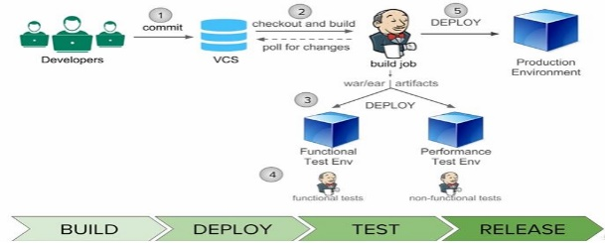
 | Add projects to Git & GitHub | We nedd to add git plugins in jenkins / then we will configure
 | Automated Deployment | Build-->Deploy-->Test-->Release (all jobs are chained in a continuous integrated system)
 | Automated Deployment With Jenkins | Create a build job in jenkins
 | TOMCAT Installation | Search Tomcat in google and download and unzip in any location / Start tomcat: 1. We can run by clicking inside the bin folder startup.bat or startup.sh then we can open the browser and open this link localhost:8080 (This is tomcat default port) or 2. from the command prompt we can go to that bin location and then type startup.bat or startup.sh for mac 3. from the command prompt fo to tomcat bin folder location type catalina.out start | If we get this kind of error tomcat is not recognized as an internal or external command or tomcat the jre_home environment variable is not defined correctly / Solution download latest jre and make it change in environmental variable too
 | TOMCAT User Creation | We can create user in editing of tomcat-users.xml file // Location in tomcat file-->conf-->tomcat-users.xml (here we can see our user name and password) Just copy that full and replcae the user name & password
 | Jenkins workspace | 1. Home Directory: D:\JENKINS HOME 2. Workspace Root Directory: D:\JENKINS HOME\${ITEM_FULL_NAME}\workspace 3.Build Record Root Directory: D:\JENKINS HOME\${ITEM_FULL_NAME}\builds
 | Jenkins Notifications | For this we need mailer plugins / Email Notification in Jenkins (We need to configure in jenkins) // By using notification plugins we can send through JSON & XML formats. // Extreme Notification Plugin: In this we can send a web hook (Web book is a thhp post, We can configure at any event this http port should send to particular url) // Email-ext Plugin Its advanced customized
 | Pipeline | Pipeline is a workflow with group of events or jobs that are chained and integrated with each other in sequence
 | Setup Delivery pipeline in jenkins | We need install delivery pipeline plugins // Go to configure-->Build Triggers --> Build after other projects are built (Here we can mention after which project this want to run so here we are making chain)
 | Delivery Pipeline View in Jenkins | From the dashboard we have + Symbol add that and customized based on our requirements or comfort
 | Setup Build Pipeline | Need Build pipeline plugins / we have + Symbol add that and customized based on our requirements or comfort
 | Add Parameters in job | In general wec an | Parameters means limit
 | Run a job from command line | We have the option under manage jenkins called Jenkins CLI / Download jenkins-cli.jar file / If you want move that to some other location / Change in configure global security --> Authorization--> Anyone can do anything (Only for testing purpose not recommended any one can access this ) / In cmd prompt go to that jenkins-cli.jar location / Then try to run the jenkins jobs from command prompt itself Ex: for build job: copy that build command fom jenkins CLI (java -jar jenkins-cli.jar -s http://localhost:9090/ -webSocket build JOB) Instead of job replace the Item name or project name //
 | Run a job from command line With user authentication (User name & Password) | Change from anyone to Logged-in users can do anything then we need give our username & password Ex: java -jar jenkins-cli.jar -s http://localhost:9090/ -webSocket build Projectname --username=**** --password=*****
 | How to show progress/result on commnadline | By using -v : Prints out the console output of the build. Use with -s (default: false), -s, -p etc..
 | Run parametrized Job from command line | java -jar jenkins-cli.jar -s http://localhost:9090/ -webSocket build Projectname --username=**** --password=***** -p Message(We set this parameter so we need to give the same exact name here)
 | Extended choice parameter | Need to install extended choice parameter plugin / Single, Multiple, Radio Button, Check box, Hidden
 | Pass parameters to downstream job | We can use Post-build action to pass the parameters
 | Build Monitor Plugin | Need to install build montitor plugins /
 | Set Jenkins on Tomcat | Already in jenkins itself Running Jenkins Standalone(jetty/winstone) is there / But in Tomcat we can start all our applicatons on a single server / Tomcat is one of the most common used servlet container / We need to copy and paste jenkins.war to tomcat-->webapp-->here // Then we can access jenkins from tomcat localhost:8080/jenkins /

20 Real Time
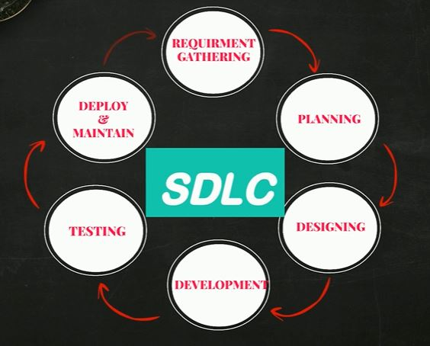
20 Real Time DevOps Projects
S.No | Topic Heading | Command | Description
Project 1: Automated Setup Of 3 Tier Application, Locally
Software Development Life Cycle (SDLC): 1. Requirement (Gathering & Analysis: * Product Features * Users * Usage * User Requirement * Market State) 2. Planning (What do we want? Cost, Resource & Risk) 3. Design Architects (Based on detailed reqirement system design documents are created) 4. Development (Developers / Software development based on inputs of design documents) 5. Software Testing (Quality Assurance will identify the defects to ensure the quality product is good) 6. Deployment (System Admin / Operations team will deploy to the production environment so user will access the products) 7. Maintenance (Changes & Uptime)
Different Models In SDLC: 1. Waterfall 2. Agile 3. Kanban 4. Spiral 5. Big Bang etc.. (Ex: The destination is same but we need to choose which path need to choose based on cost, maintenance, time taken etc..)
1. Waterfall SDLC: Each phase should be completed before the next phase can begin / Very long Iterations (Month or More)
2. Agile SDLC: We can make it Smaller lists Iterations of each modules,after every iteration we will get feedback from customer and If any changes is required we can modify in next iterations (2 to 4 Weeks each module) But here several times we need to change the Code, Deploy, Testing/QA for single iteration / Like that We have so many iterations / Operation team need to keep the server uptime but here regular deploy request
Development team is AGILE (regular & quick changes) / Operation Team is ITIL (Provide stable environment for the products) / It's a big wall of confision in between these two parties / Developers tasks the code over the wall and Ops team is responsibility to deploy the code on the servers / So developers will complain delay in deployments, Ops team will complain there is no clear instruction / Here Dev is Agile but Ops is still waterfall / So we need avoid code delivery issues
To avoid code delivery issues and get business growth / Everyone has to work collabaritively, Communicate effectively and integrate the entire code delivery process / So automation of an each and every task to code delivery process like * Code Build * Code Testing * Software Testing * Infra Changes * Deployments * Everything / So here wall is broken and work together (Developers, Testers, Build & Release, Sys Admin etc.) So devoloper & operations teams work together each and every task is automated in the delivery process by every team, So wholes process is integrated together
DEVOPS Lifecycle: * Code (Developers Commit Code) * Code Build (Deployable Software: Artifact) * Code Test (Unit & Integration Test) * Code Analysis (Vulnerability, best practices) * Delivery (Deploy changes to staging) *DB Changes (Every Other OPS Changes) * Software Testing (QA, Performance Test) * Deploy to Prod * Go Live (New Changes) * User Aprroval (Feedback) * Keep Monitoring / Completely automated DEVOPS lifecycle, No human intervention so no human errors, It's repetable and time save
Continuous Integration: Continuous integration is the automated process, which generates softwares and its features quickly and efficeintly
Working in a team idle practice to store all the codes in centralized place / This centralized repository is called as VERSION CONTROL SYSTEM (GITHUB,etc) / Every day developers will push and pull code to that repository several times in a day / This code will be move to BUILD sevrer, On build server this code will be BUILD, TESTED and EVALUATED which generates the software or we call it ARTIFCAT Stage, If any errors it will send notification to developer instantly and developers will fix it and commit it again, If no errors the it will save in software repository or ARTIFACT (WAR or JAR in Java / DLL, EXE, MSI in Windows / ZIP or TAR ) / This automated process is calles as CONTINUOUS INTEGRATION OR CI / The Goal OF CI is to detect defects very early stages |  |  |  | 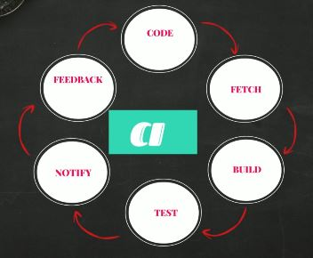
TOOLS: IDE is used by developer for coding (ECLIPSE, VISUAL STUDIO, ATOM, PYCHARM , ETC..) These IDE will integrate with VERSION CONTROL SYSTEM to store and version the code (GITHUB, GITLAB, BITBUCKET, PERFORCE, Etc..) / BUILD TOOLS based on the programming language (MAVEN, ANT, GRADLE, Etc..) / SOFWARE REPOSITORY to store ARTIFACT (SONARTYPE NEXUS, ARCHIVA, GRUNT, Etc..) / CONTINUOUS INTEGRATION tools that integrates everything (JENKINS, TEAMCITY, BUDDY, Etc..) |  |  |  | 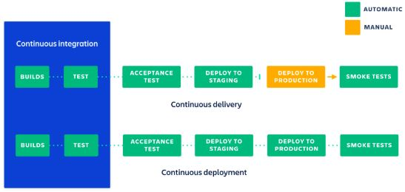
CI | 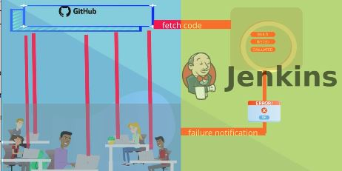
Continuous Delivery: Continuous delivery is the automated process of delivering code changes to servers quickly and efficeintly
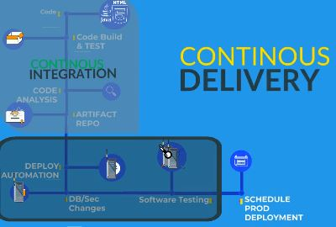
Ops team will get regular request to delpoy the ARTFACTS generated from the CI process on servers for further testing / Ops team all the info they got delpoy the ARTIFACTS to the server / Deployment is not only shipping the software to the server it's morthan that (Server Provisioning , Dependencies, Conf Changes, Network, Artifact Deploy, Etc..) / After the manual deployment the information will send to QA team for software testing (Here so many process is there, Like approval, failure, time etc..)
So avoid this Automate it to save your time and also failures/ For every step in deployment should be automated (Server Provisioning , Dependencies, Conf Changes, Network, Artifact Deploy, Etc..)
TOOLS: ANSIBLE, PUPPET, CHEF (For System Automation) / TERRAFORM, CFORMATION for cloud infrastructure automation / JENKINS, OCTOPUS DEPLOY for CICD Automation / Many other based on our need
Software testing also has to be automatied, Any test process like (FUNCIONAL, LOAD, PEFORMANCE, DATABASES, SECURITY, ANY OTHER TEST) So Ops Team will write automations code for deployment, testers will write automation code for software testings and sync it with developers source code (GITHUB)
Dev Team (Integrate Continuous Integration) / Ops Team (Automate Deployment) / QA Team (Automation Testing)
GitHub Repository |  | A GitHub repository can be used to store a development project. It can contain folders and any type of files (HTML, CSS, JavaScript, Documents, Data, Images). A GitHub repository should also include a licence file and a README file about the project
TOOLS In Your Desktop / Laptop: 1. Oracle VM VirtualBox 2. GIT BASH 3. VAGRANT 4. Choclatey (For Windows) , HomeBrew (For Mac)
1st Install Choclatey: --> Open https://chocolatey.org/install (Here you will get all the instruction to install chocolatey / -->Open Windows PowerShell As Adminstrator--> (If you get any errors like antivirus blocking then disable for sometimes and try) / Once Chocolatey installetion done / Click-Main-->Then Click Find Packages to search all other required software or tools like Oracle VM, GIT BASH, VAGRANT, etc..)
Refer this link --> https://github.com/devopshydclub/vprofile-project/blob/prereqs/Prereqs_doc.pdf to install all tools
Few More Tools: 1. JDK8 2. MAVEN 3. INTELLIJ 4. SUBLIME TEXT EDITOR 5. AWS CLI
Signup 1.GITHUB 2.DOMAIN PURCHASE(GODAADY) 3.DOCKERHUB 4. SONARCLOUD
AWS: 1. Free Tier Account 2. IAM With MFA 3. Billing Alarm 4. Certificate Setup
1. Project Setup | Infrasturcture 2. CICD 3. Cloud Automation
Setup Web Application Stack
Proj Name: Vprofile Project Setup (Local) |  | About the Project: We are setting up 1.Multi Tier Web Application Stack / Setup will be locally Laptop or Desktop / Baseline for upcoming projects (Kuberbet, Docker, etc..) / It will use for setup project locally and do R&D ourself
Scenario |  | Working in a project, Varieties of services that we will deal / Services like mysql, Apache Tomcat, or any other
Problems |  | Not comfortable in making changes in real servers / Local set is complex / Time Consuming / Not repeatable / Setup muliple services is complex / So avoid this setup
Solution |  | Local Setup / But it should automated / It would be repeatable / We have Code (IaaC) / So if we hava a code to setup entire STACK locally we can do it as many as time / Completely automated process / We can do so many R&D in our local machine
Tools |  | Hypervisor(Oracle VM Virtualbox) / Automation(Vagrant) / CLI -Command Line Tool (GIT BASH) / IDE(Sublime Text or notepad++)
Objectives |  | VM Automation Locally / Baseline For Upcoming Projects / Real World Project Setup Locally(For R & D)
Architecture Of Project Services |  | NGINX(Load Balancer), TOMCAT(Application Server), RABBITMQ, MEMCACHED, MYSQL
Architecture Of Automated Setup |  | VAGRANT, VIRTUALBOX, GITBASH, ALSO SOME SCRIPTS & COMMANDS
After Setting up Stack: User can access the services from broswer by entering IP Address or an endpoint-->User will redirect to Load Balancer(NGINX)-->Then NGINX will forward the request to application server(APACHE TOMCAT) Where our java application will be running(Even we have shared storage NFS)-->Then Application server will forward the request to message broker(RABBITMQ)-->That will send to database caching (MEMCACHED)-->MEMCACHED is to cache the SQL Queries for which was executed for the MYSQL Server |  |  |  | 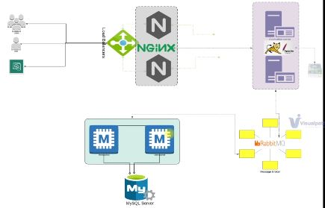
Another Design is for our automation stack --> We will use VAGRANT for automatically setup our VM / So VAGRANT will communicate with Oracle VirtalBox which is the hypervisor / Then we will use some BASH Script to setup our services (Services is NGINX, TOMCAT, RABBITMQ, MEMCACHED, MYSQL and App Build & Deploy )
Open the setup documents (https://github.com/devopshydclub/vprofile-project/blob/local-setup/vagrant/Manual_provisioning/VprofileProjectSetup.pdf) (We will provision in this order MySQL(Database Service)-->Memcache(Database Caching Service)-->RabbitMQ(Broker/Queue Service)-->Tomcat(Application Service)-->Nginx(Web Service) Now we are setting up services manually) In GIT Bash--> go to Manual_Provisioning Location --> vagrant ssh db01(Login to MySQL services)-->sudo -i (Switch to root user)-->yum update -y (It will download all the latest packages) |  |  |  | webo1 (NGNIX) app01 (Tomcat) rmq01 (Rabbitmq) mc01 (Memcache) db01 (mysql)
Now setup variable for database, We will use this variable to setup password & access the password / DATABASE_PASS='admin123' (This is temporary password / Now we are going to make it permanent) vi /etc/profile (Add this in last row DATABASE_PASS='admin123' and save it) / -->source /etc/profile (Now this variable is permanent) / Now we setup the repository -->yum install epel-release -y (To install this package we will get repository access) / Now we are going to install packages, We need GIT & MariaDB (Which will be our MySQL Packages) -->yum install git mariadb-server -y / Now start the service -->systemctl start mariadb and enable the service -->systemctl enable mariadb to check the status -->systemctl status mariadb / Now we install mysql secure -->mysql_secure_installation (All Y, Except Disallow root login remotely? [Y/n] n) / To test the login -->mysql -u root -p |  |  |  | If you get any error likethis (ERROR 1045 (28000): Access denied for user 'root'@'localhost' (using password: YES)) solution: mysqladmin -u root password admin123 //
Now we will clone our source code here -->git clone https://github.com/devopshydclub/vprofile-project.git (We clone bcos we have sql files, sql queries in a resources directory) / go to backup sql file by following this path cd vprofile-project-->cd src-->cd main-->cd resources-->(Now we will initialize the database with this-->mysql -u root -p"$DATABASE_PASS" -e "create database accounts" (accounts is name of the database) / Now we are adding user name admin for access app01 -->mysql -u root p"$DATABASE_PASS" -e "grant all privileges on accounts.* To 'admin'@'app01' identified by 'admin123' " // come back -->cd ../../.. // run this command -->mysql -u root -p"$DATABASE_PASS" accounts < src/main/resources/db_backup.sql // -->mysql -u root -p"$DATABASE_PASS" -e "FLUSH PRIVILEGES" -->mysql -u root -p"$DATABASE_PASS"-->show databases;-->use accounts;-->show tables; // logout
Now we setup memcache mc01 / -->vagrant ssh mc01 --> sudo -i -->yum update -y --> yum install epel-release -y ->systemctl start memcached-->systemctl enable memcached-->systemctl status memcached-->memcached -p 11211-u 11111 -u memcached -d // We need to validate its running on right port -->ss -tunlp | grep 11211 //
Now we setup rabbit mq rmq01 / -->vagrant ssh rmq01-->sudo -i-->yum update -y->yum install epel-release -y--> (Refer vprofile documents for further manual & automatic stack)
AWS Project: Lift & Shift Application Workload
We will lift our applicaton vprofile and shift to aws cloud / Host and Run on AWS Cloud for production / Lift & shift strategy
We will avoid more manpower and cost reducing we will choose cloud setup / In cloud setup we pay as you go, Cosuming infrastructure as a service, It's flexibility(Elastic in nature) We can scale out or scale in and control out cost, Managing infrastructure is easier, We can do it automation and avoid human errors and save our time
AWS Services: Ec2 Instance (VM for Tomcat, RabbitMQ, Memcache, MYSQL servers) / ELB(Elastic Load Balancer) - Nginx Load Balancer replacement / Autoscaling - Automation for VM scaling / S3 or EFS is for storage - Shared storage / Route 53 for private and DNS server / Some more services like IAM, etc..
OBJECTIVE: Flexible Infrastructure / No Upfront Cost / Modernize Effectively / IAAC (Automation)
Architecture Of AWS Services For The Project: We are using EC2 Instances / ELB / Autoscaling / S2 or EFS For Shared Storage / Amazon Certificate Management / Route 53

